READ ME
Track Your ChatGPT Share of Voice Using This Template
Disclaimer: This template is a general guide that does require knowledge in keyword research, ChatGPT, and Google Sheet Formulas.
SETUP & CONFIGURATION
STEP 1: Make a Copy of this Template
1 | Make a Copy of this template: File > Make a Copy
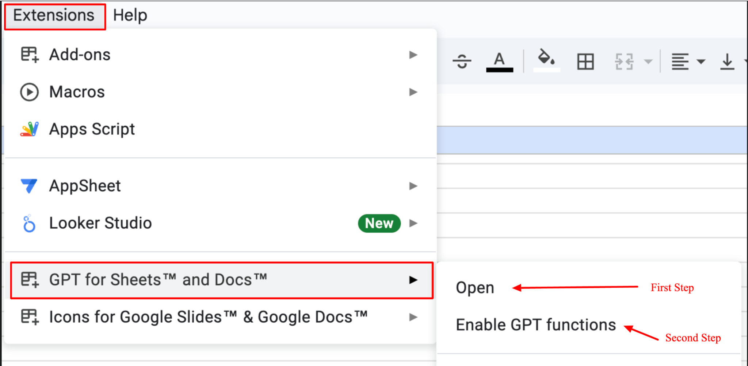
STEP 2: Configure GPT for Sheets (Full Documentation)
1 | Go to the Extension Add-on Page for GPT for Sheets and Docs
2 | Install and Enable the Extension
3 | Visit Extensions > GPT for Sheets and Docs > Open
4 | On the side-bar panel, click accept and continue
5 | Visit Extensions > GPT for Sheets and Docs > Enable GPT functions
6 | You are now enrolled in the Free Plan (limited number of searches available)
💎 | Recommended Step: Convert to Paid Plan: Setup your OpenAI API Key
USING THE AI SHARE OF VOICE TEMPLATE
STEP 1: Add Your Brand + Competitors
1 | Visit the Brand_Names sheet
2 | Add your list of Brand Name(s) in Column A for whatever company you are tracking
3 | Add your list of Competitors in Column B
💡 | You can ask ChatGPT to summarize a list of the Top 10 brands throughout the thread (after you finish Step 4) | < ChatGPT script
STEP 2A: Add Your GPT Queries
1 | Visit the GPT_Queries sheet
2 | Add your target queries in COLUMN A of the sheet
💡 | Need help identifying target searches? Feel free to reach out to our AI Search team at avenuez.com
STEP 2B. OPTION 1 - Categorize Queries using GPT for Sheets Exention (Default)
1 | By default, the queries will be auto categorized inusing the GPT for Sheets
2 | The only caveat here would be the number of supported queries, depending on your plan
STEP 2B. OPTION 2 - Categorize Queries Manually
1 | You can either manually add the categories to be filled in Columns B-F, or get help with ChatGPT
2 | Use Custom GPT to ask to classify the search queries using prompt script | < ChatGPT script
3 | Paste the values of the Query + Classification values in the table to match the column names
💡 | Clear the formatting on the pasted table (border, background, fonts)
STEP 3: OPTION 1 - Add Your GPT Responses using GPT for Scripts Google Sheet Exention (Default)
1 | Visit the Query_Responses sheet
2 | By default, the Query Responses will be generated automatically from GPT for Sheets
3 | The only caveat here would be the number of supported queries, depending on your plan
💵 | Depending on the volume of queries, there is a billing component to this method. Please see documentation
STEP 3: OPTION 2 - Add Your GPT Responses Manually
1 | Visit the Query_Responses sheet
2 | Go to ChatGPT and paste the script + first question | < ChatGPT script
3 | Copy and paste ChatGPT response to the queries in Column B, starting with B5, next to the corresponding question
4 | You should start to see TRUE or FALSE being populated underneath the brand names
5 | Complete the ChatGPT Responses in Column B
STEP 4: Customize Your Company Insights on Query Results
1 | Visit the Query_Results sheet
2 | Determine what 3 brands you want to track
3 | By default, your brand name will be the first one filled out
4 | To change the company you are tracking, click the first cell under L2 or V2
5 | You will need to change the column associated with the brand you are tracking Query_Tracker!E5:E=TRUE
6 | Visit Query_Responses and find what column of the company you want to track (e.g. D5:D if it's on the D column)
7 | Back on the Query_Results sheet, update the formula on L2 or V2 with the correct column, mentioned in Step 5
8 | Confirm the "Unique Details" are populated
STEP 5: View the Analysis Report
1 | Visit the Analysis Report sheet
2 | Make sure the top numbers have populated unerneath Rows 2-5
3 | Brand Leaders + Share of Voice charts should be populated
4 | Once Step 4 is complete, the "Where your brand is present" will now pull in
Reach out if you have any questions
🙂 | Have questions or want to connect? Find me on LinkedIn or visit avenuez.com
 | Author: Johnny Hughes, CMO @ Avenue Z

Last Update | 2024-11-19

Analysis Report
 | Brand Name 1 | Brand Name 2 | Competitor Name 1 | Competitor Name 2 | Competitor Name 3 | Competitor Name 4 | Competitor Name 5 | Competitor Name 6 | Competitor Name 7 | Competitor Name 8 | Competitor Name 9 | Competitor Name 10
Total Mentions | 0 | 0 | 0 | 0 | 0 | 0 | 0 | 0 | 0 | 0 | 0 | 0
Total Queries | 0 | 0 | 0 | 0 | 0 | 0 | 0 | 0 | 0 | 0 | 0 | 0
% Visibility | 0.00% | 0.00% | 0.00% | 0.00% | 0.00% | 0.00% | 0.00% | 0.00% | 0.00% | 0.00% | 0.00% | 0.00%
Rank | 1 | 1 | 1 | 1 | 1 | 1 | 1 | 1 | 1 | 1 | 1 | 1

Brand Leaders
GenAI Share of Voice

Brand Name 1 - Where your brand is present

Brand Name 2 - Where your brand is present

Competitor Name 1 - Where competitor is present

